Map
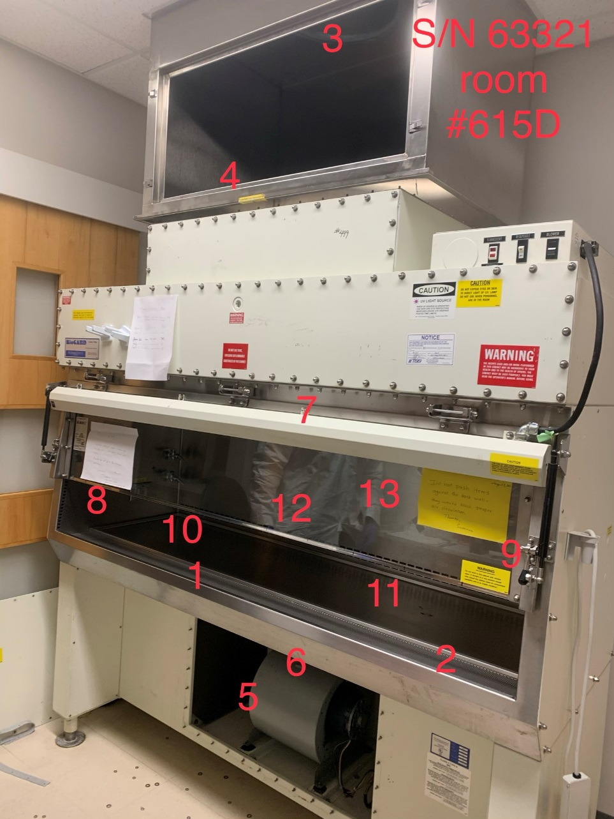

Survey No | INIS-012020-1020
Date | 2020-01-18
Survey Tech | K. White/D. Dodge
Count Room Tech | P. Ray
Date Counted | 2020-01-20
Survey Type | Unrestricted Release
Level of Posting | None
Comments

